Sheet1
Chapter 3
3-1A

 |  | Debit | Credit
a | Office supplies expense | 12760
 | Office supplies |  | 12760
b

c | Salaries expense | 4200
 | Salaries payable |  | 4200
d | Depre building | 27000
 | Accum depre building |  | 27000
e | Accounts receivable | 2400
 | Rent earned |  | 2400
f | Unearned rent | 4350
 | Rent earned |  | 4350

 |  | Debit | Credit
c | Salaries expense | 6300
 | Salaries payable | 4200
 | Cash |  | 10500

e | Cash | 4800
 | Accounts receivable |  | 2400
 | Rent earned |  | 2400

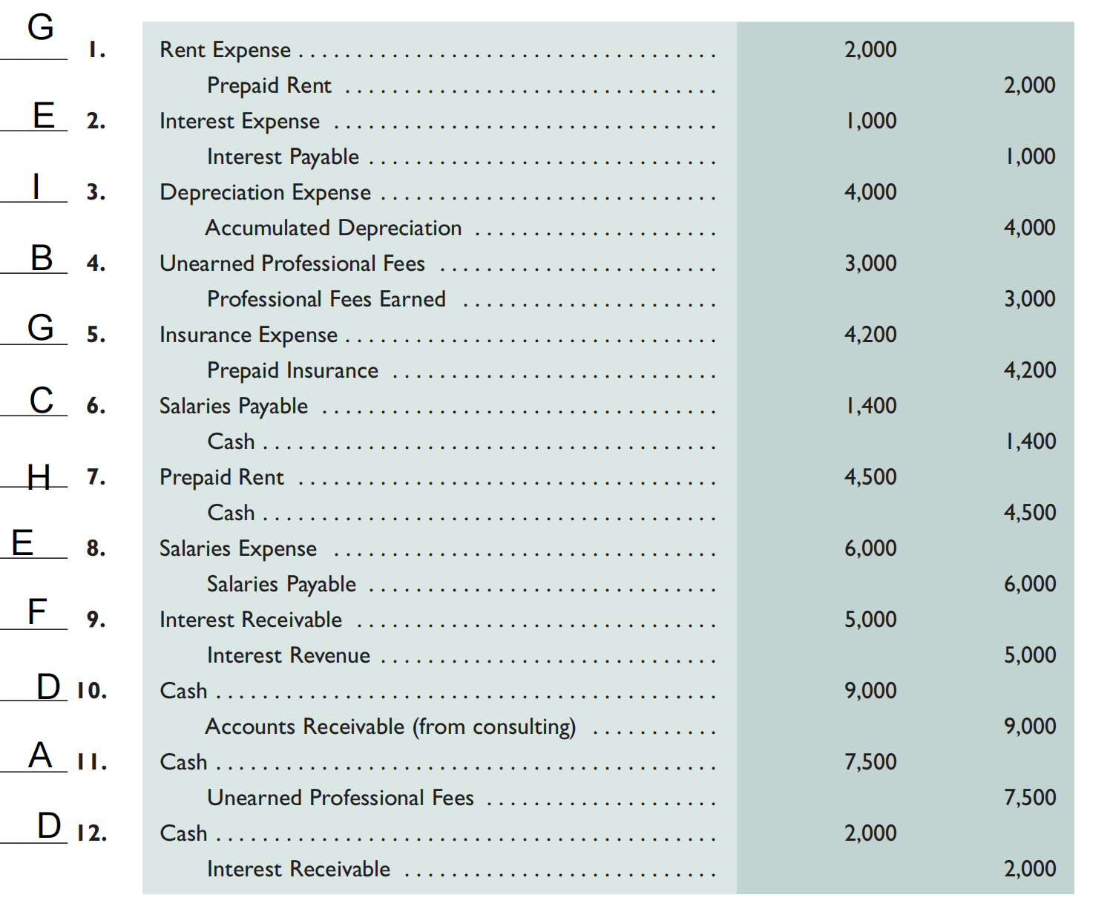
3-2A

3-3A

Cash |  | Accounts receivable |  | Teaching supplies |  | Prepaid insurance |  | Prepaid rent |  | Professional library |  | Accumulated depreciation—Professional library |  | Equipment |  | Accumulated depreciation—Equipment |  | Accounts payable |  | Salaries payable |  | Unearned training fees |  | T. Watson, Capital |  | T. Watson, Withdrawals |  | Tuition fees earned |  | Training fees earned |  | Depreciation expense —Professional library |  | Depreciation expense—Equipment |  | Salaries expense |  | Insurance expense |  | Rent expense |  | Teaching supplies expense |  | Advertising expense |  | Utilities expense
Debit | Credit | Debit | Credit | Debit | Credit | Debit | Credit | Debit | Credit | Debit | Credit | Debit | Credit | Debit | Credit | Debit | Credit | Debit | Credit | Debit | Credit | Debit | Credit | Debit | Credit | Debit | Credit | Debit | Credit | Debit | Credit | Debit | Credit | Debit | Credit | Debit | Credit | Debit | Credit | Debit | Credit | Debit | Credit | Debit | Credit | Debit | Credit
26000 |  | 7500 |  | 10000 |  | 15000 |  | 2000 |  | 30000 |  |  | 9000 | 70000 |  |  | 16000 |  | 36000 |  | 400 |  | 11000 |  | 63600 | 40000 |  |  | 102000 |  | 38000 | 6000 |  | 12000 |  | 48000 |  | 3000 |  | 22000 |  | 7400 |  | 7000 |  | 5600
 |  |  |  |  | 7400 |  | 3000 |  | 2000 |  |  |  | 6000 |  |  |  | 12000 |  |  |  |  | 4400 |  |  |  |  |  |  | 7500 |  | 4400 |  |  |  |  | 400 |  |  |  | 2000
26000 |  | 7500 |  | 2600 |  | 12000 |  | 0 |  | 30000 |  |  | 15000 | 70000 |  |  | 28000 |  | 36000 |  | 400 |  | 6600 |  | 63600 | 40000 |  |  | 109500 |  | 42400 | 6000 |  | 12000 |  | 48400 |  | 3000 |  | 24000 |  | 7400 |  | 7000 |  | 5600

 |  |  |  |  |  | Debit | Credit
 |  | Debit | Credit |  | Cash | 26000
a | Isurance expense | 3000 |  |  | Accounts receivable | 7500
 | Prepaid isurance |  | 3000 |  | Teaching supplies | 2600
b | Teaching supplies expense | 7400 |  |  | Prepaid insurance | 12000
 | Teaching supplies |  | 7400 |  | Prepaid rent | 0
c | Depre equipment | 12000 |  |  | Professional library | 30000
 | Accum depre equipment |  | 12000 |  | Accumulated depreciation—Professional library |  | 15000
d | Depre library | 6000 |  |  | Equipment | 70000
 | Accum depre library |  | 6000 |  | Accumulated depreciation—Equipment |  | 28000
e | Unearned training fees | 4400 |  |  | Accounts payable |  | 36000
 | Training fees earned |  | 4400 |  | Salaries payable |  | 400
f | Accounts receivable | 7500 |  |  | Unearned training fees |  | 6600
 | Tuition fees earned |  | 7500 |  | T. Watson, Capital |  | 63600
g | Salaries expense | 400 |  |  | T. Watson, Withdrawals | 40000
 | Salaries payable |  | 400 |  | Tuition fees earned |  | 109500
h | Rent expense | 2000 |  |  | Training fees earned |  | 42400
 | Prepaid rent |  | 2000 |  | Depreciation expense —Professional library | 6000
 |  | 42700 | 42700 |  | Depreciation expense—Equipment | 12000
 |  |  |  |  | Salaries expense | 48400
 |  |  |  |  | Insurance expense | 3000
 |  |  |  |  | Rent expense | 24000
 |  |  |  |  | Teaching supplies expense | 7400
 |  |  |  |  | Advertising expense | 7000
 |  |  |  |  | Utilities expense | 5600
 |  |  |  |  | Total | 301500 | 301500

